飛達配件
 | Feeder配件

NO | 1) ENGLISH ITEM NAME (ex : OOOO machine) | 2) MANUFACTUROR (ex : OOO company) | 3) MODEL NO (ex : abc-123) | 4) VOLTAGE (ex : 220V) | 5) CAPACITY (ex :1200KW) | 6) Production date (yyyy-mm-dd) | 7) HS CODE (0000.00.00) | 8) ORIGIN (MADE IN JAPAN) | 9) NEW or USED (NEW) | weight（KG) | 12)Quantity | 10) PICTURE (BEFORE PACKING) | CTN NO. | 净重（kg） | 毛重（kg）
1 | Feeder 750*400*25MM | YAMAHA | F1-82 |  |  |  |  | Japan | used | 1.3 | 30 | 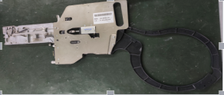
2 | Feeder 750*400*25MM | YAMAHA | F1-84 |  |  |  |  | Japan | used | 1.3 | 25 | 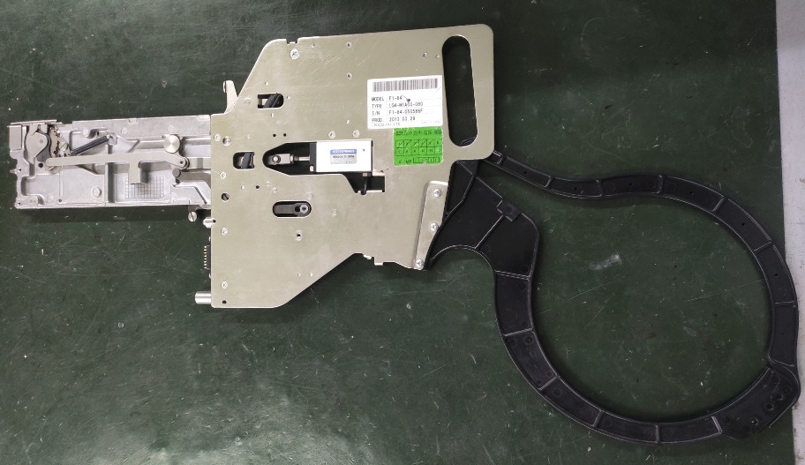
3 | Feeder 750*400*30MM | YAMAHA | F1-12 |  |  |  |  | Japan | used | 1.8 | 5 | 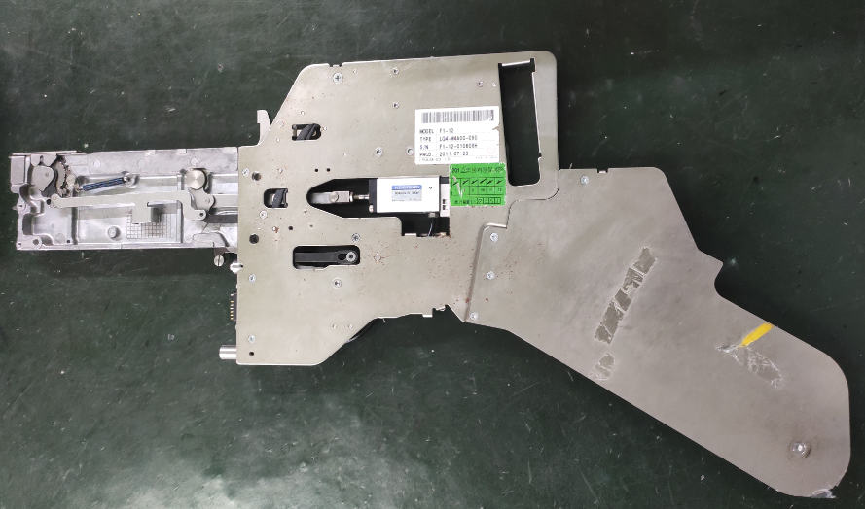
4 | Feeder 750*400*30MM | YAMAHA | F1-16 |  |  |  |  | Japan | used | 1.8 | 2 | 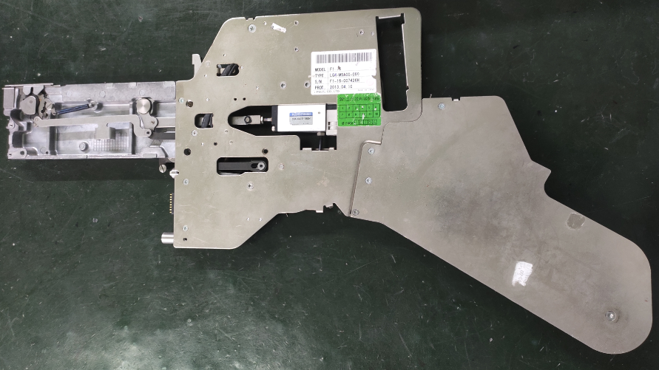
 | Feeder 750*400*50MM | YAMAHA | F1-32 |  |  |  |  | Japan | used | 3.2 | 2 | 